MCA,MNA,MGP
IMAGE | SKU | UPC | PRODUCT TYPE | PKG IMAGE | PKG SKU | STATUS | HK Merch | CRD ETA
 | MCA HO NMM 40 | 0-42887-38573-3 | SOFT | 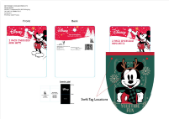 | MCA HO NMM PKG 07 | NEED UPDATED IMAGE - ALREADY EMAILED, JULIA IS WORKING ON IT | Julia | 7/15/22
 | MCA HO KM 22 | 0-42887-74872-9 | HARD |  | MCA HO KM PKG 01 | NEED IMAGE | Zoe | 5/10/22
 | MGP HO CRDM 01 | 0-42887-74920-7 | HARD | 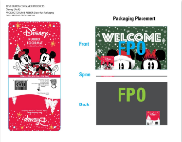 | MGP HO CRDM PKG 01 | NEED IMAGE | Zoe | 0
 | MICA HOLI CRDM 01 | 42887718111 | HARD | 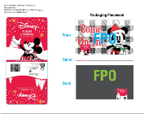 | MCA HO CRDM PKG 02 | NEED | Zoe | 0
 | MGP HO CRDM 02 | 0-42887-74885-9 | HARD |  | MGP HO CRDM PKG 01 | NEED | Zoe | 0

NBC
IMAGE | SKU | UPC | PRODUCT TYPE | PKG IMAGE | PKG SKU | STATUS | HK Merch | CRD ETA
 | NBC HO KT 09 | 0-42887-38509-2 | SOFT | 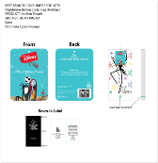 | NBC HO KT PKG 02 | NEED | Julia | 6/20/22
 | NBC HO CRDM 10 | 0-42887-74920-7 | HARD | 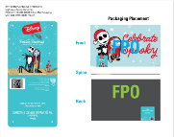 | NBC HO CRDM PKG 02 | NEED IMAGE | Zoe | 5/20/22
 | NBC HO CRDM 11 | 0-42887-74903-0 | HARD |  | NBC HO CRDM PKG 03 | NEED | Zoe | 5/20/22
 | NBC HO KT 11 | 0-42887-38552-8 | SOFT |  | NBC HO KT PKG 02 | NEED | Julia | 6/20/22
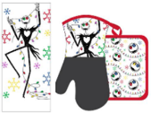 | NBC HO 3KNOP 01 | 0-42887-38313-5 | SOFT | 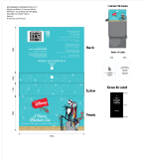 | NBC HO 3KNOP PKG 01 | NEED CLEAR IMAGE - EMAILED 7/12 | Julia | 7/1/22

WTP
IMAGE | SKU | UPC | PRODUCT TYPE | PKG IMAGE | PKG SKU | STATUS | HK Merch | CRD ETA
 | WTP HO KM 02 | 0-42887-74870-5 | HARD | 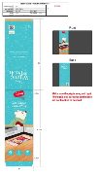 | WTP HO KM PKG 02 | NEED IMAGE | Zoe | 5/10/22
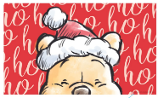 | WTP HO CRDM 01 | 0-42887-74920-7 | HARD | 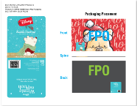 | WTP HO CRDM PKG 01 | NEED IMAGE | Zoe | 5/20/22
 | WTP HO CRDM 02 | 0-42887-74906-1 | HARD |  | WTP HO CRDM PKG 01 | NEED IMAGE | Zoe | 5/20/22
 | WTP HO CRDM 03 | 0-42887-74882-8 | HARD |  | WTP HO CRDM PKG 01 | NEED IMAGE | Zoe | 0
 | WTP HO MTR 01 | 0-42887-75493-5 | HARD | 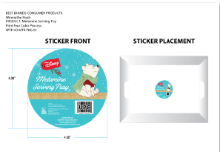 | WTP HO MTR PKG 01 | NEED IMAGE | ZOE | 0

LAS
IMAGE | SKU | UPC | PRODUCT TYPE | PKG IMAGE | PKG SKU | STATUS | HK Merchandiser | CRD ETA
 | LAS HO CRDM 02 | 0-42887-74905-4 | HARD | 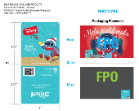 | LAS HO CRDM PKG 02 | NEED | Zoe | 5/20/22

SW-MANDO
IMAGE | SKU | UPC | PRODUCT TYPE | PKG IMAGE | PKG SKU | STATUS | HK Merch | CRD ETA
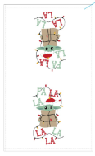 | MANC HO KT 07 | 0-42887-38452-1 | SOFT | 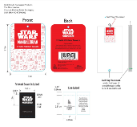 | MAN HO KT PKG 02 | NEED | Julia | 6/10/22
 | MANC HO CRDM 02 | 0-42887-74920-7 | HARD | 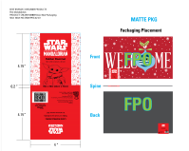 | MAN HO CRDM PKG 02 | NEED IMAGE | Zoe | 5/20/22
 | MANC HO CRDM 03 | 0-42887-74920-7 | HARD |  | MAN HO CRDM PKG 02 | NEED IMAGE | Zoe | 5/20/22
 | SW HOLI CRDM 01 | 0-42887-74904-7 | HARD | 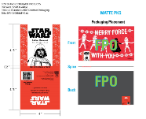 | SW HO CRDM PKG 02 | NEED IMAGE | Zoe | 5/20/22

PEANUTS
IMAGE | SKU | PRODUCT TYPE | PKG IMAGE | PKG SKU | STATUS | HK Merch | CRD ETA
 | PEA HO KM 20 | HARD | 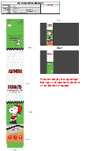 | PEA HO KM PKG 20 | NEED IMAGE AND SAMPLES | Zoe | 7/15/22
 | PEA HO KT 24 | SOFT |  | PEA HO KT PKG 02 | NEED | Julia | 6/20/22
 | PEA HO KT 25 | SOFT |  | PEA HO KT PKG 02 | NEED | Julia | 6/20/22
 | PEA HO KT 26 | SOFT |  | PEA HO KT PKG 02 | NEED | Julia | 6/20/22
 | PEA HO KT 28 | SOFT | 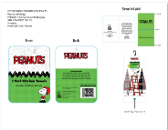 | PEA HO KT PKG 02 | NEED | Julia | 6/20/22
 | PEA HOLI KT 13 | SOFT |  | PEA HO KT PKG 02 | NEED | Julia | 6/20/22
 | PEA HO NMM 04 | SOFT | 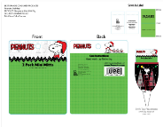 | PEA HO NMM PKG 02 | NEED' | Julia | 7/15/22
 | PEA HO NMM 28 | SOFT |  | PEA HO NMM PKG 02 | NEED' | Julia | 7/15/22
 | PEA HOLI KT 07 | SOFT |  | PEA HO KT PKG 02 | NEED | Julia | 6/20/22
 | PEA HOLI NMMS 04 | SOFT | 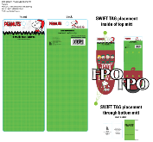 | PEA HO NMMS PKG 02 | NEED' | Julia | 7/15/22
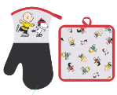 | PEA HO NOP 11 | SOFT | 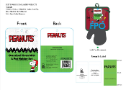 | PEA HO NOP PKG 02 | NEED' | Julia | 6/20/22
 | PEA HO FM 18 | HARD | 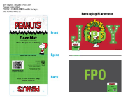 | PEA HO FM PKG 02 | NEED | Zoe | 7/15/22
 | PEA HO FM 17 | HARD |  | PEA HO FM PKG 02 | NEED | Zoe | 0
 | PEA HO KM 23 | HARD | 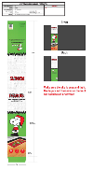 | PEA HO KM PKG 23 | NEED | Zoe | 5/19/22
 | PEA HO KM 24 | HARD |  | PEA HO KM PKG 24 | NEED | Zoe | 5/19/22
 | PEA HO KM 25 | HARD |  | PEA HO KM PKG 25 | NEED | Zoe | 5/19/22

